Test Productivity
Productivity Benefits
Productivity is the primary benefit of adopting TestShell for Test Automation

TestShell User Profile
Type of User | Number of Users | Fully Loaded Annual Cost | Hourly Rate per User | Annual Labor Costs
Category 1: Test interns | 1 | 60,000 | 28.85 | 60,000
Category 2: Test technicians | 1 | 100,000 | 48.08 | 100,000
Category 3: Test engineers | 2 | 140,000 | 67.31 | 280,000
Category 4: Automation engineers | 1 | 180,000 | 86.54 | 180,000
Category 5: Managers | 0 | 200,000 | 96.15 | 0
Total per year | 5 |  |  | 620,000

Test Productivity Improvement Areas
User productivity (average hours for one user in one week) | Today (hours) | With TestShell (hours) | Reduced Hours | Productivity Increase
Development of new tests (User Categories 1-4) | 6 | 4 | 2.00 | 33%
Test setup and configuration time (User Categories 1-4) | 6 | 0.2 | 5.80 | 97%
Maintenance or adoption of existing tests (User Categories 1-4) | 4 | 2 | 2.00 | 50%
Data collection (User Categories 1-4) | 8 | 1 | 7.00 | 88%
Report generation (User Categories 1-4) | 8 | 0.2 | 7.80 | 98%
Data analysis, trend reporting (User Categories 3-5) | 4 | 0.2 | 3.80 | 95%
Totals per user | 36 | 7.6 | 28.4 | 79%

Adoption Profile
Piecewise Linear Adoption Model | % Adoption at End of Phase | Duration of Phase (weeks) | Start of Phase (week) | End of Phase (week)
Start of adoption milestone | 0% | 0 | 0 | 0
Phase 1: Training and setup infrastructure | 0% | 3 | 0 | 3
Phase 2: Initial adoption | 20% | 3 | 3 | 6
Phase 3: Expansion from initial adoption to broad deployment | 75% | 12 | 6 | 18
Phase 4: Expansion of broad deployment to full deployment | 100% | 16 | 18 | 34
Phase 5: First year full deployment | 100% | 18 | 34 | 52

Estimated Adoption Over Time (Weeks)

Results
Average Weekly Savings | Phase 2 | Phase 3 | Phase 4 | Phase 5
Category 1: Test interns | 71 | 337 | 621 | 710
Category 2: Test technicians | 118 | 562 | 1,035 | 1,183
Category 3: Test engineers | 382 | 1,816 | 3,345 | 3,823
Category 4: Automation engineers | 246 | 1,167 | 2,150 | 2,458
Category 5: Managers | 0 | 0 | 0 | 0
Total Weekly Savings | $817 | $3,882 | $7,151 | $8,173

Total Savings per Phase | Number of Weeks | Savings per Week | Total Savings
Phase 2: Training and infrastructure creation | 3 | 817 | 2,452
Phase 3: Initial adoption | 12 | 3,882 | 46,587
Phase 4: Broad deployment | 16 | 7,151 | 114,423
Phase 5: Full deployment | 18 | 8,173 | 147,115

Total Test Productivity Savings | Year 1 | Year 2 | Year 3
 | 310,577 | 425,000 | 425,000

Time to Market
Improved Time To Market
Improved time to market can be a very significant benefit to any customer that adopts CloudShell for lab management.
CloudShell is often used to automate testing of a product, service or network architecture before deplpyment. Since testing
is always in the critical path, any improvements in the test schedule directly impact time-to-market.

Completion of the this section is optional, but the benefits will represent a significant value for any customer that
is delivering a product, service or network topology to market.

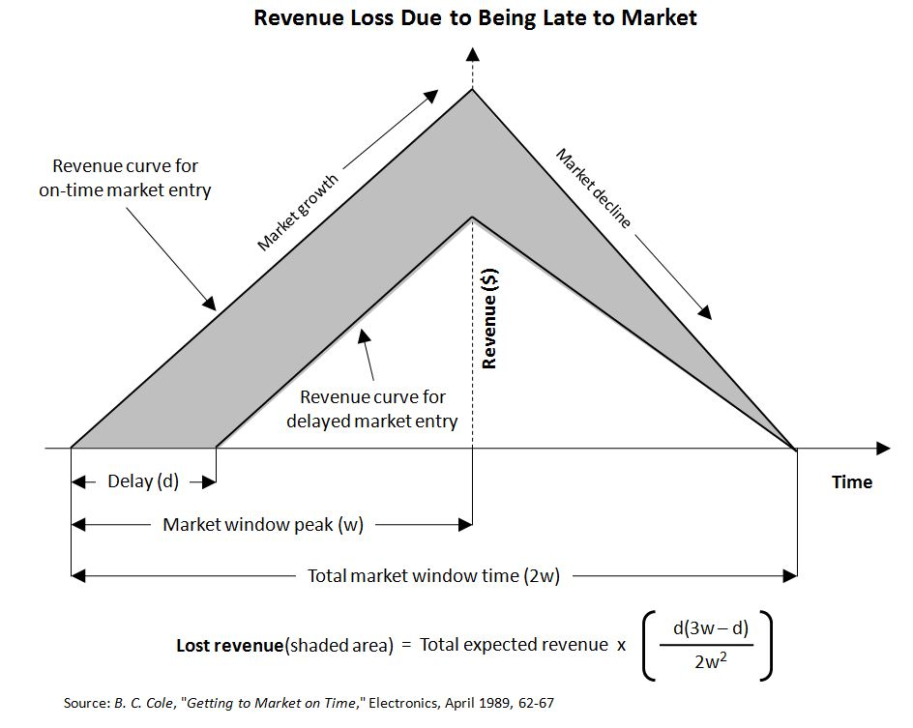

Total Expected Revenue | $135,000
Total Market Window Time in months | 2
Delayed entry to market in months | 1

Lost revenue due to delayed entry | $135,000

Percentage of delayed entry time spent in testing | 10%
Testing productivy improvements provided by CloudShell | 87%
Total potential revenue benefits of using CloudShell | $11,787

Annualized benefit of using CloudShell | $70,725

Results
Return on Investment Calculator

Results
Benefits | Setting | Year 1 | Year 2 | Year 3 | Total
Productivity | INCLUDE | $330,000 | $330,000 | $330,000 | $990,000
Test Productivity | INCLUDE | $310,577 | $425,000 | $425,000 | $1,160,577
Utilization | INCLUDE | $172,500 | $301,875 | $443,756 | $918,131
Operational Expenses | INCLUDE | $18,000 | $18,000 | $18,000 | $54,000
Time To Market | INCLUDE | $70,725 | $70,725 | $70,725 | $212,174
Network Down Time | INCLUDE | $150,388 | $150,388 | $150,388 | $451,165
Collaboration | INCLUDE | $1,442 | $1,442 | $1,442 | $4,327
Total Benefits |  | $1,053,632 | $1,297,430 | $1,439,311 | $3,790,374

Costs |  | Year 1 | Year 2 | Year 3 | Total
Software Licenses |  | $198,648 | $198,648 | $198,648 | $595,944
Training |  | $23,000 | $0 | $0 | $23,000
Professional Services |  | $52,500 | $0 | $0 | $52,500
Deployment and Adminstration Costs |  | $50,384.6 | $10,000.0 | $10,000.0 | $70,385
Total Costs |  | $324,533 | $208,648 | $208,648 | $741,829 | $247,276.21

Summary
Annual return on investment (ROI) |  | 325% | 622% | 690% | 511%
Payback period months |  | 4
Total 3-year net benefits |  | $3,048,545
Cumulative ROI (cROI) |  | 511%

Year 1 Benefits

Cumulative Benefits over 3 years

